Sheet1
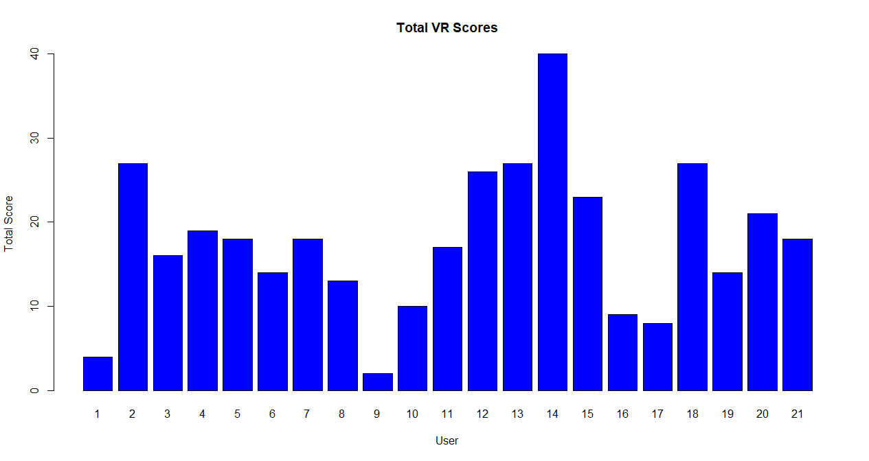
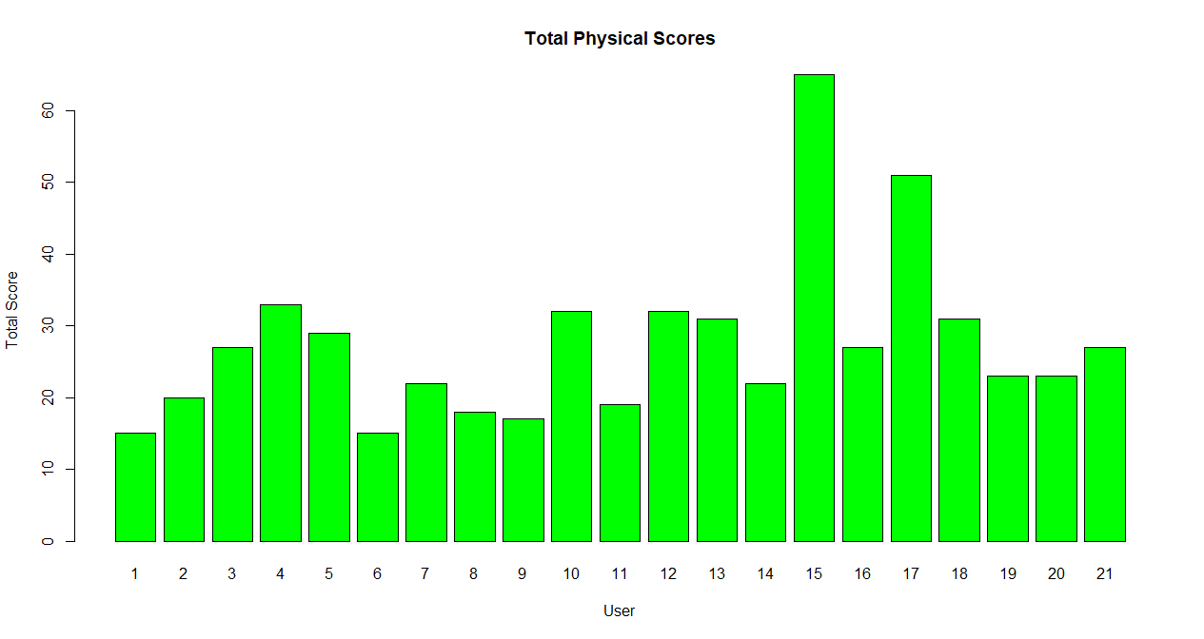
Physical scores |  | Virtual scores
Name | Score | Name | Score
Jeannie | 15 | Jeannie | 4
Liam | 20 | Liam | 27
Brett | 27 | Brett | 16
Annabel | 33 | Annabel | 19
Luke | 29 | Luke | 18
Ivica | 15 | Ivica | 14
Amy | 22 | Amy | 18
Leesa | 18 | Leesa | 13
Natalie | 17 | Natalie | 2
Mallika | 32 | Mallika | 10
Michael | 19 | Michael | 17
Declan | 32 | Declan | 26
Jayden | 31 | Jayden | 27
Sonia | 22 | Sonia | 40
Andrew | 65 | Andrew | 23
Arti | 27 | Arti | 9
Soniya | 51 | Soniya | 8
Matthew | 31 | Matthew | 27
Jake | 23 | Jake | 14
Mark | 23 | Mark | 21
Jay | 27 | Jay | 18

